Script
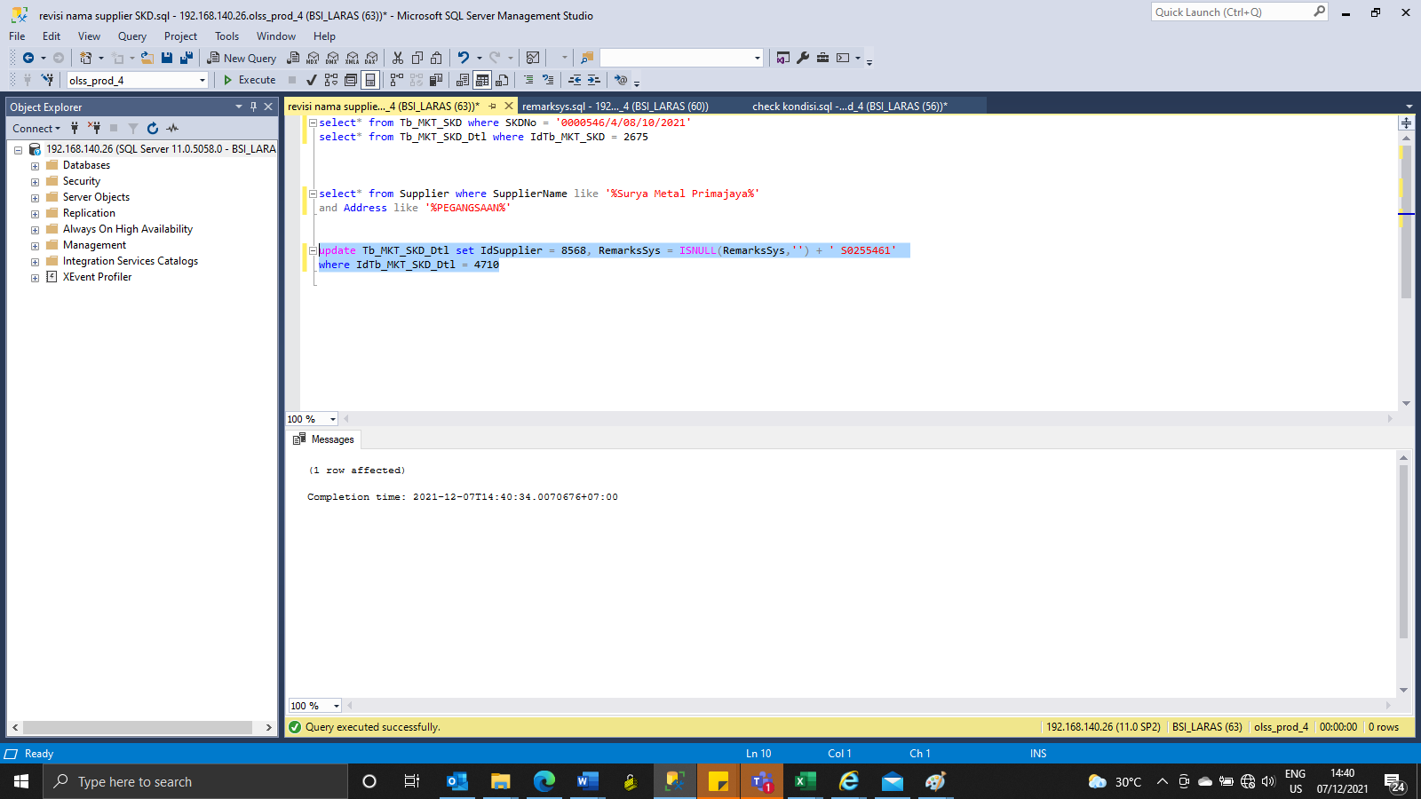
update Tb_MKT_SKD_Dtl set IdSupplier = 8568, RemarksSys = ISNULL(RemarksSys,'') + ' S0255461'
where IdTb_MKT_SKD_Dtl = 4710

Screenshot
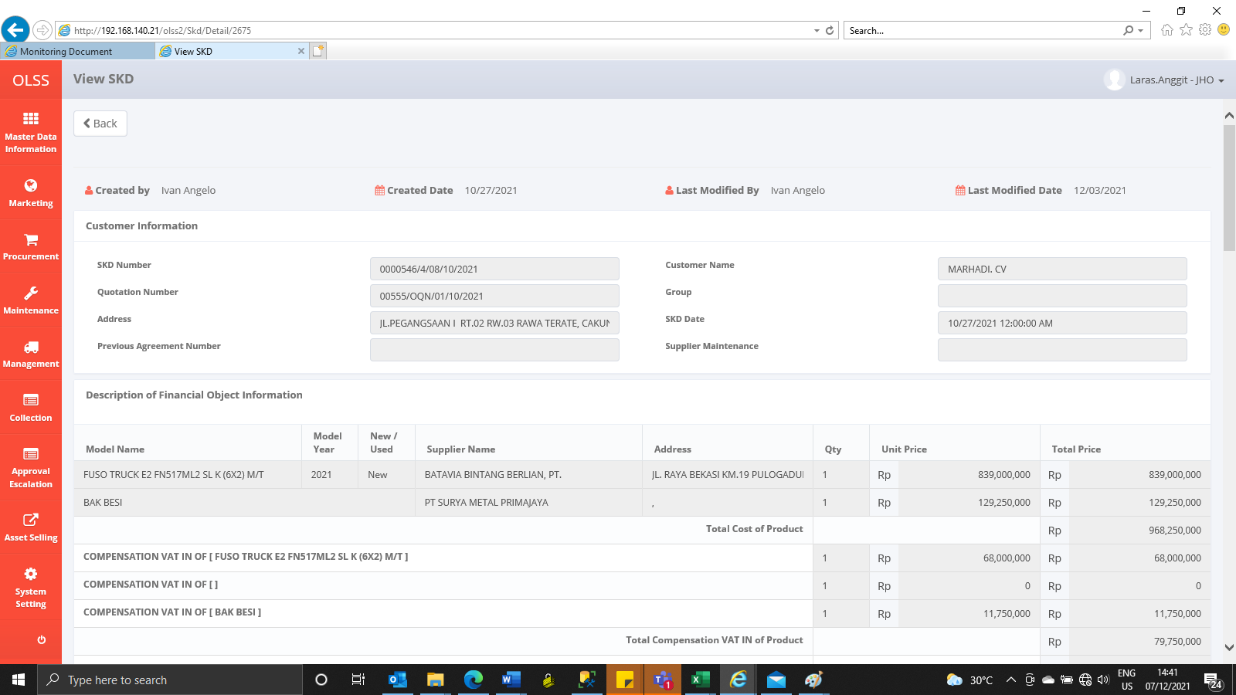
BEFORE



AFTER

